Sheet1
 | CCT Final Metrics |  | Unclean Data |  |  |  |  |  |  |  |  |  |  |  |  | CCT just temporal
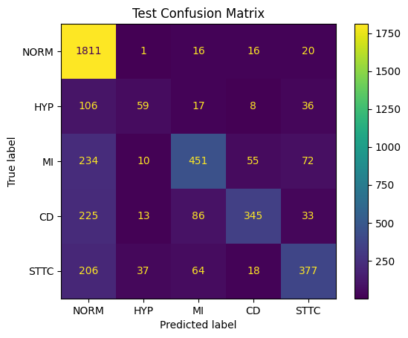
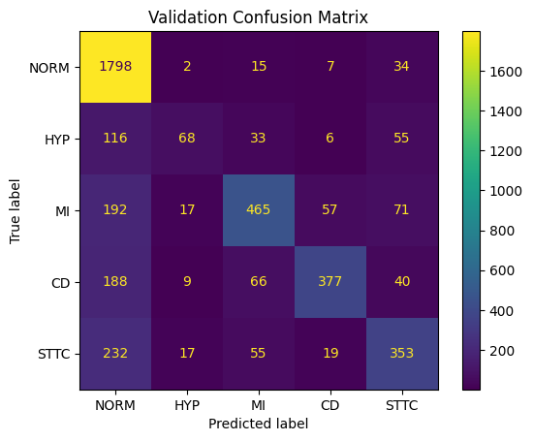


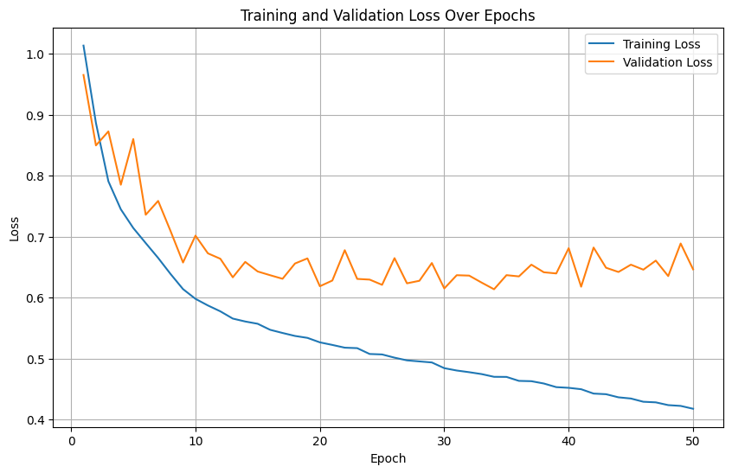
 |  |  |  |  |  |  |  |  |  |  |  |  | Hyper Params: | AdamW
 |  |  |  |  |  |  |  |  |  |  |  |  | num_leads = 12
 |  |  |  |  |  |  |  |  |  |  |  |  | embed_dim = 100
 |  |  |  |  |  |  |  |  |  |  |  |  | patch_size = 5
 |  |  |  |  |  |  |  |  |  |  |  |  | num_heads = 5
 |  |  |  |  |  |  |  |  |  |  |  |  | depth = 6
 |  |  |  |  |  |  |  |  |  |  |  |  | mlp_dim = 256
 |  |  |  |  |  |  |  |  |  |  |  |  | dropout = 0.4
 |  |  |  |  |  |  |  |  |  |  |  |  | learning_rate = 0.00025
 |  |  |  |  |  |  |  |  |  |  |  |  | regularisation = None
 |  |  |  |  |  |  |  |  |  |  |  |  | batch_size = 128
 |  |  |  |  |  |  |  |  |  |  |  |  | max_seq_len = 1000

 |  |  |  |  |  |  |  |  |  |  |  |  |  |  |  |  |  |  |  |  |  |  |  |  |  |  | Final Loss
 |  |  |  |  |  |  |  |  |  |  |  |  |  |  |  |  |  |  |  |  |  |  |  |  |  |  | Train | 0.41793685982
 |  |  |  |  |  |  |  |  |  |  |  |  |  |  |  |  |  |  |  |  |  |  |  |  |  |  | Validation | 0.64655556939

 |  |  |  |  |  |  |  |  |  |  |  |  |  |  |  |  |  |  |  |  |  |  |  |  |  |  | Best Val Loss
 |  |  |  |  |  |  |  |  |  |  |  |  |  |  |  |  |  |  |  |  |  |  |  |  |  |  | Epoch | 33
 | Test |  |  |  |  |  | Val |  |  |  |  |  |  |  |  | Test |  |  |  |  | Val |  |  |  |  |  | Train | 0.47033066495
 | F1 | Acc | Prec | Recall | AUROC |  | F1 | Acc | Prec | Recall | AUROC |  |  |  |  | F1 | Acc | Prec | Recall | AUROC | F1 | Acc | Prec | Recall | AUROC |  | Validation | 0.61386618754
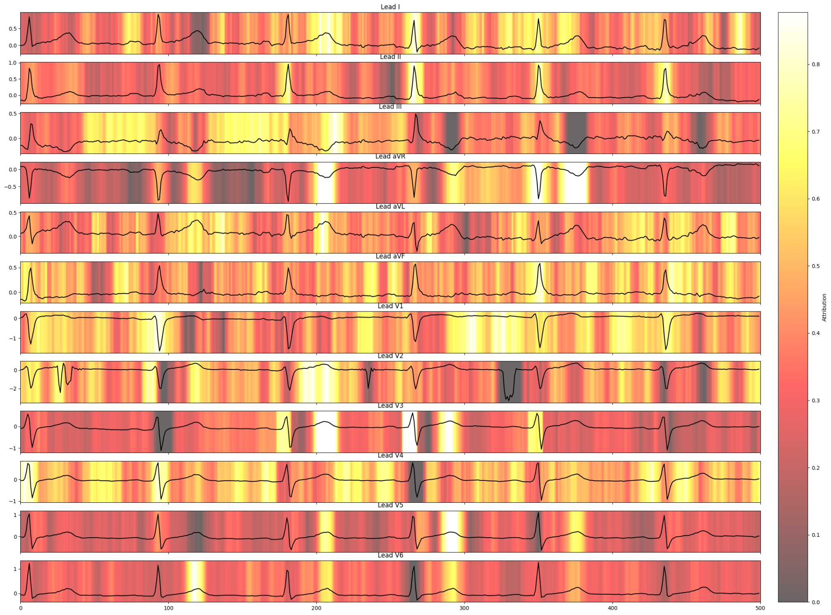
Macro | 0.5973 | 0.7051 | 0.6771 | 0.562 | 0.9023 |  | 0.6097 | 0.7132 | 0.6989 | 0.574 | 0.9112 |  |  |  |  | 0.5844 | 0.6863 | 0.6552 | 0.5579 | 0.8732 | 0.5704 | 0.6836 | 0.6424 | 0.5489 | 0.8818
Weighted | 0.6847 | 0.562 | 0.7051 | 0.7051 |  |  | 0.6931 | 0.574 | 0.7125 | 0.7132 |  |  |  |  |  | 0.669 | 0.5579 | 0.6819 | 0.6863 |  | 0.6654 | 0.5489 | 0.6773 | 0.6836
 | Per Class Precision |  |  |  |  |  | Per Class Precision |  |  |  |  |  |  |  |  | Per Class Precision |  |  |  |  | Per Class Precision
 | 0.70139427 | 0.49166667 | 0.71135647 | 0.78054299 | 0.70074349 |  | 0.71179731 | 0.60176991 | 0.73343849 | 0.80901288 | 0.63833635 |  |  |  |  | 0.73810544 | 0.59459459 | 0.57108434 | 0.74226804 | 0.62996942 | 0.73451711 | 0.53061224 | 0.61023622 | 0.7759434 | 0.56080114
 | Per Class Recall |  |  |  |  |  | Per Class Recall
 | 0.97156652 | 0.26106195 | 0.5486618 | 0.49145299 | 0.53703704 |  | 0.96875 | 0.24460432 | 0.5798005 | 0.55441176 | 0.52218935 |  |  |  |  | Per Class Recall |  |  |  |  | Per Class Recall
 | Per Class F1 |  |  |  |  |  | Per Class F1 |  |  |  |  |  |  |  |  | 0.92381974 | 0.2920354 | 0.57664234 | 0.41025641 | 0.58689459 | 0.9137931 | 0.18705036 | 0.5798005 | 0.48382353 | 0.57988166
 | 0.8146648674 | 0.3410404659 | 0.6195054954 | 0.6031468531 | 0.6080645164 |  | 0.8206298507 | 0.3478260902 | 0.6476323144 | 0.6579406613 | 0.5744507747 |  |  |  |  | Per Class F1 |  |  |  |  | Per Class F1
 | CCT Final Metrics |  | Clean Data | Final model |  |  |  |  |  |  |  |  |  |  |  | 0.8205861297 | 0.3916913953 | 0.5738498824 | 0.5284403664 | 0.6076696187 | 0.8144057628 | 0.2765957443 | 0.5946291564 | 0.5960144943 | 0.5701818174
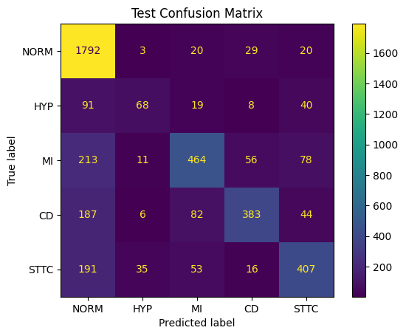
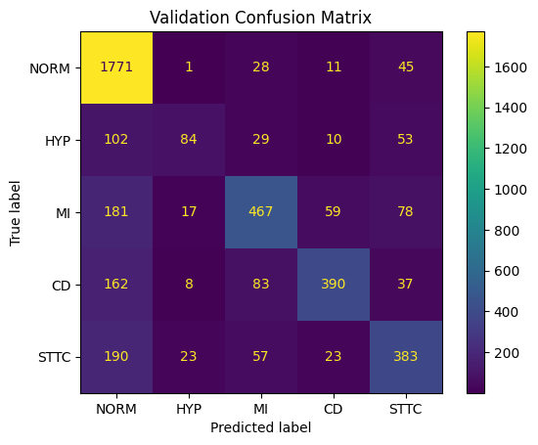

 |  |  |  |  |  |  |  |  |  |  |  |  | Final model not best
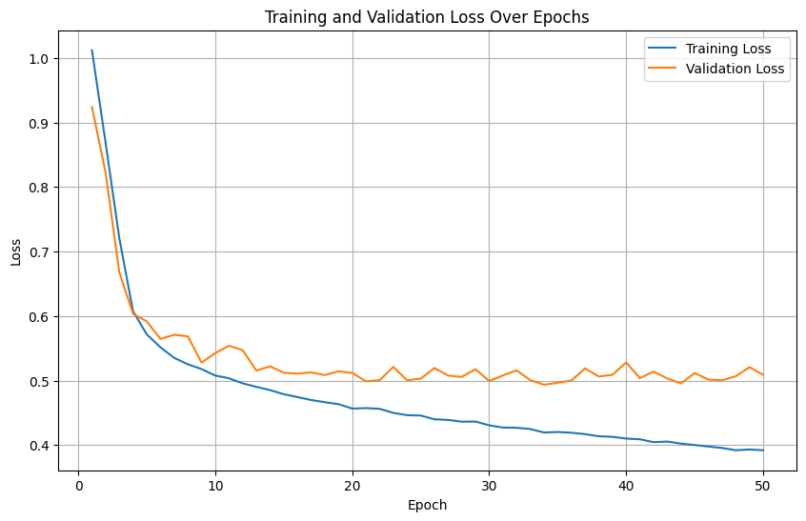

 |  |  |  |  |  |  |  |  |  |  |  |  |  |  |  |  |  |  |  |  |  |  |  |  |  |  | INS AUC: 0.9820816294111387
 |  |  |  |  |  |  |  |  |  |  |  |  |  |  |  |  |  |  |  |  |  |  |  |  |  |  | DEL AUC: 0.014545511157940389
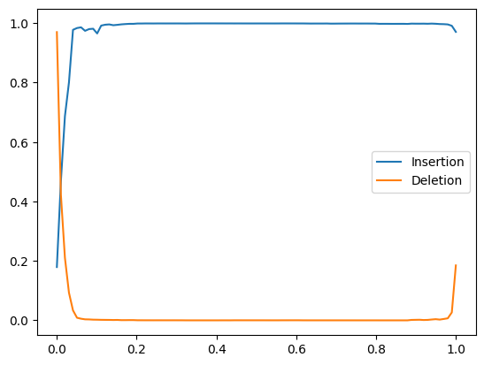

 |  |  |  |  |  |  |  |  |  |  |  |  | Final Loss
 |  |  |  |  |  |  |  |  |  |  |  |  | Train | 0.39208221198
 |  |  |  |  |  |  |  |  |  |  |  |  | Validation | 0.50886178394

 |  |  |  |  |  |  |  |  |  |  |  |  | Best Val Loss
 |  |  |  |  |  |  |  |  |  |  |  |  | Epoch | 33
 | Test |  |  |  |  |  | Val |  |  |  |  |  | Train | 0.41960756698
 | F1 | Acc | Prec | Recall | AUROC |  | F1 | Acc | Prec | Recall | AUROC |  | Validation | 0.49360012061
Macro | 0.625 | 0.7203 | 0.6897 | 0.5922 | 0.9062 |  | 0.6328 | 0.7232 | 0.6973 | 0.6011 | 0.9136
Weighted | 0.7047 | 0.5922 | 0.7176 | 0.7203 |  |  | 0.7085 | 0.6011 | 0.7182 | 0.7232
 | Per Class Precision |  |  |  |  |  | Per Class Precision
 | 0.72842536 | 0.53333333 | 0.69688385 | 0.78085106 | 0.70892857 |  | 0.73894737 | 0.59440559 | 0.68955651 | 0.794 | 0.66956522

 | Per Class Recall |  |  |  |  |  | Per Class Recall
 | 0.9554721 | 0.31858407 | 0.59854015 | 0.52279202 | 0.56552707 |  | 0.9455819 | 0.3057554 | 0.60099751 | 0.58382353 | 0.56952663
 | Per Class F1 |  |  |  |  |  | Per Class F1
 | 0.8266419125 | 0.3988919652 | 0.6439790588 | 0.6262798602 | 0.6291600656 |  | 0.8295911155 | 0.4038004778 | 0.6422385101 | 0.6728813563 | 0.6155075967

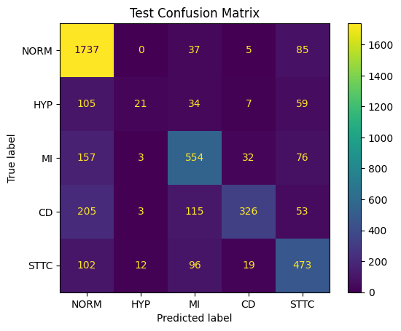
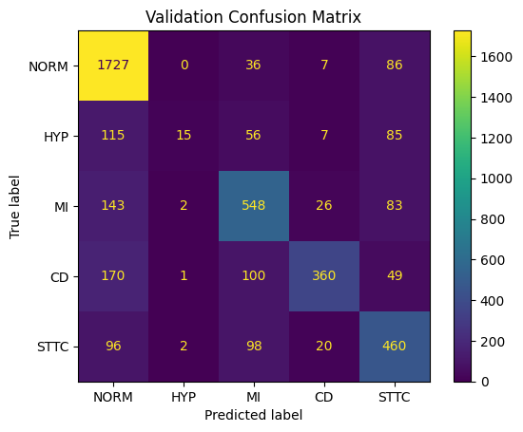
 | LSTM Final Metrics |  | Unclean Data
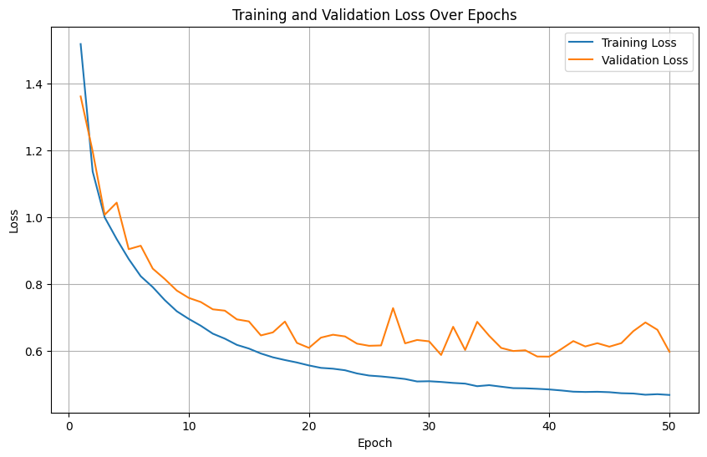

 |  |  |  |  |  |  |  |  |  |  |  |  | Final Loss
 |  |  |  |  |  |  |  |  |  |  |  |  | Train | 0.46876187271
 |  |  |  |  |  |  |  |  |  |  |  |  | Validation | 0.59801959253

 |  |  |  |  |  |  |  |  |  |  |  |  | Best Val Loss
 |  |  |  |  |  |  |  |  |  |  |  |  | Epoch | 39
 | Test |  |  |  |  |  | Val |  |  |  |  |  | Train | 0.48517150794
 | F1 | Acc | Prec | Recall | AUROC |  | F1 | Acc | Prec | Recall | AUROC |  | Validation | 0.5834197812
Macro | 0.5822 | 0.7208 | 0.6853 | 0.5674 | 0.8964 |  | 0.5808 | 0.7246 | 0.7262 | 0.5755 | 0.9097
Weighted | 0.6988 | 0.5674 | 0.7192 | 0.7208 |  |  | 0.6995 | 0.5755 | 0.7333 | 0.7246
 | Per Class Precision |  |  |  |  |  | Per Class Precision
 | 0.75325239 | 0.53846154 | 0.66267943 | 0.83804627 | 0.63404826 |  | 0.76721457 | 0.75 | 0.65393795 | 0.85714286 | 0.60288336

 | Per Class Recall |  |  |  |  |  | Per Class Recall
 | 0.93186695 | 0.09292035 | 0.67396594 | 0.46438746 | 0.67378917 |  | 0.93049569 | 0.05395683 | 0.68329177 | 0.52941176 | 0.68047337
 | Per Class F1 |  |  |  |  |  | Per Class F1
 | 0.8330935271 | 0.1584905603 | 0.6682750339 | 0.597616861 | 0.6533149167 |  | 0.8410031647 | 0.1006711331 | 0.668292684 | 0.6545454518 | 0.6393328715
 | LSTM Final | Cleaned Data

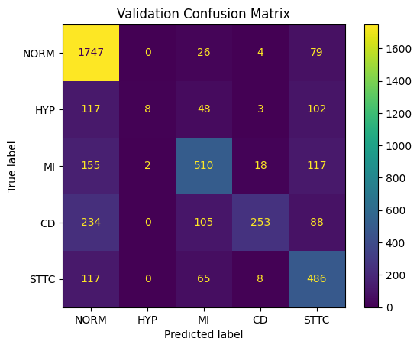
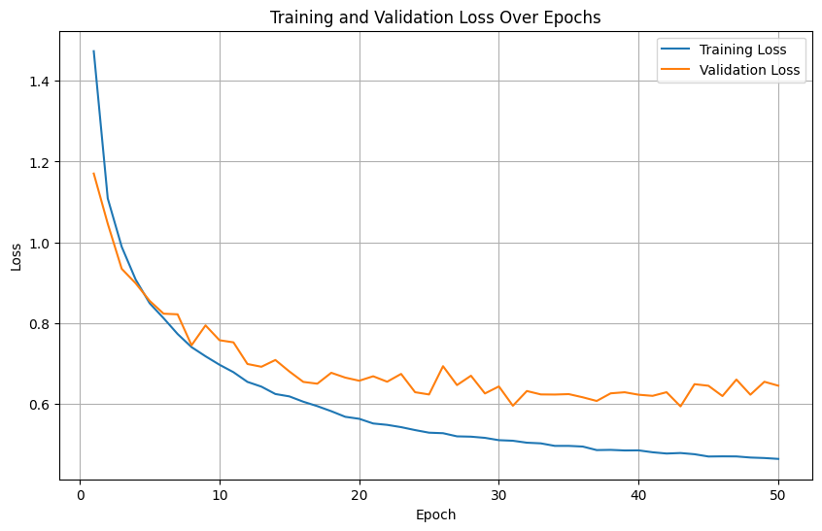

 |  |  |  |  |  |  |  |  |  |  |  |  | Final Loss
 |  |  |  |  |  |  |  |  |  |  |  |  | Train | 0.46430383251
 |  |  |  |  |  |  |  |  |  |  |  |  | Validation | 0.64542857193

 |  |  |  |  |  |  |  |  |  |  |  |  | Best Val Loss
 |  |  |  |  |  |  |  |  |  |  |  |  | Epoch | 42
 | Test |  |  |  |  |  | Val |  |  |  |  |  | Train | 0.4788703683
 | F1 | Acc | Prec | Recall | AUROC |  | F1 | Acc | Prec | Recall | AUROC |  | Validation | 0.59420939905
Macro | 0.5362 | 0.6993 | 0.67 | 0.5296 | 0.8778 |  | 0.5379 | 0.6999 | 0.7311 | 0.5394 | 0.8934
Weighted | 0.663 | 0.5296 | 0.7035 | 0.6993 |  |  | 0.6655 | 0.5394 | 0.7249 | 0.6999
 | Per Class Precision |  |  |  |  |  | Per Class Precision
 | 0.72380179 | 0.5 | 0.68103448 | 0.85034014 | 0.59478673 |  | 0.7371308 | 0.8 | 0.67639257 | 0.88461538 | 0.55733945

 | Per Class Recall |  |  |  |  |  | Per Class Recall
 | 0.95600858 | 0.04424779 | 0.57664234 | 0.35612536 | 0.71509972 |  | 0.94127155 | 0.02877698 | 0.63591022 | 0.37205882 | 0.71893491
 | Per Class F1 |  |  |  |  |  | Per Class F1
 | 0.8238557564 | 0.08130081704 | 0.6245059302 | 0.5020080367 | 0.6494178546 |  | 0.8267865577 | 0.05555555851 | 0.6555269885 | 0.5238095195 | 0.6279069766
 | CNN Final | Unclean
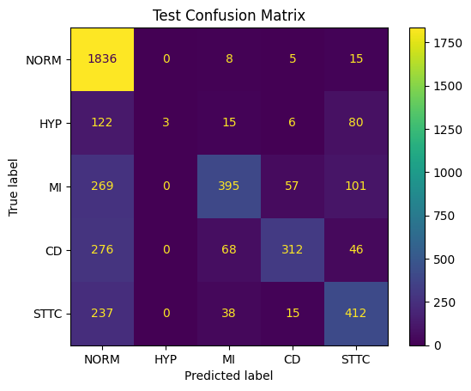
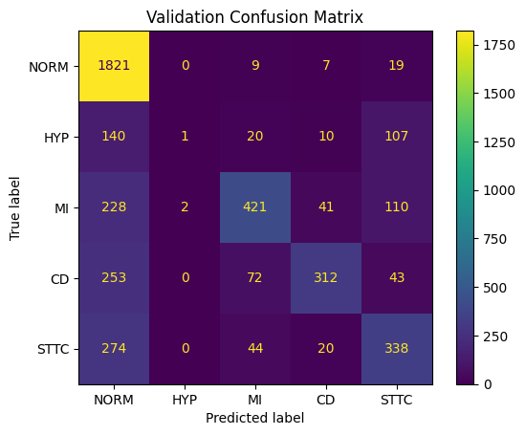
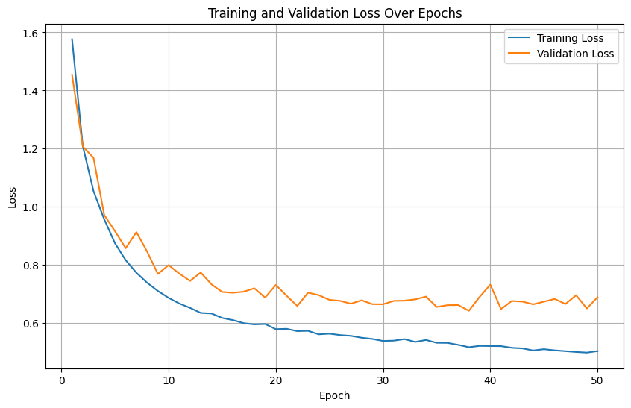
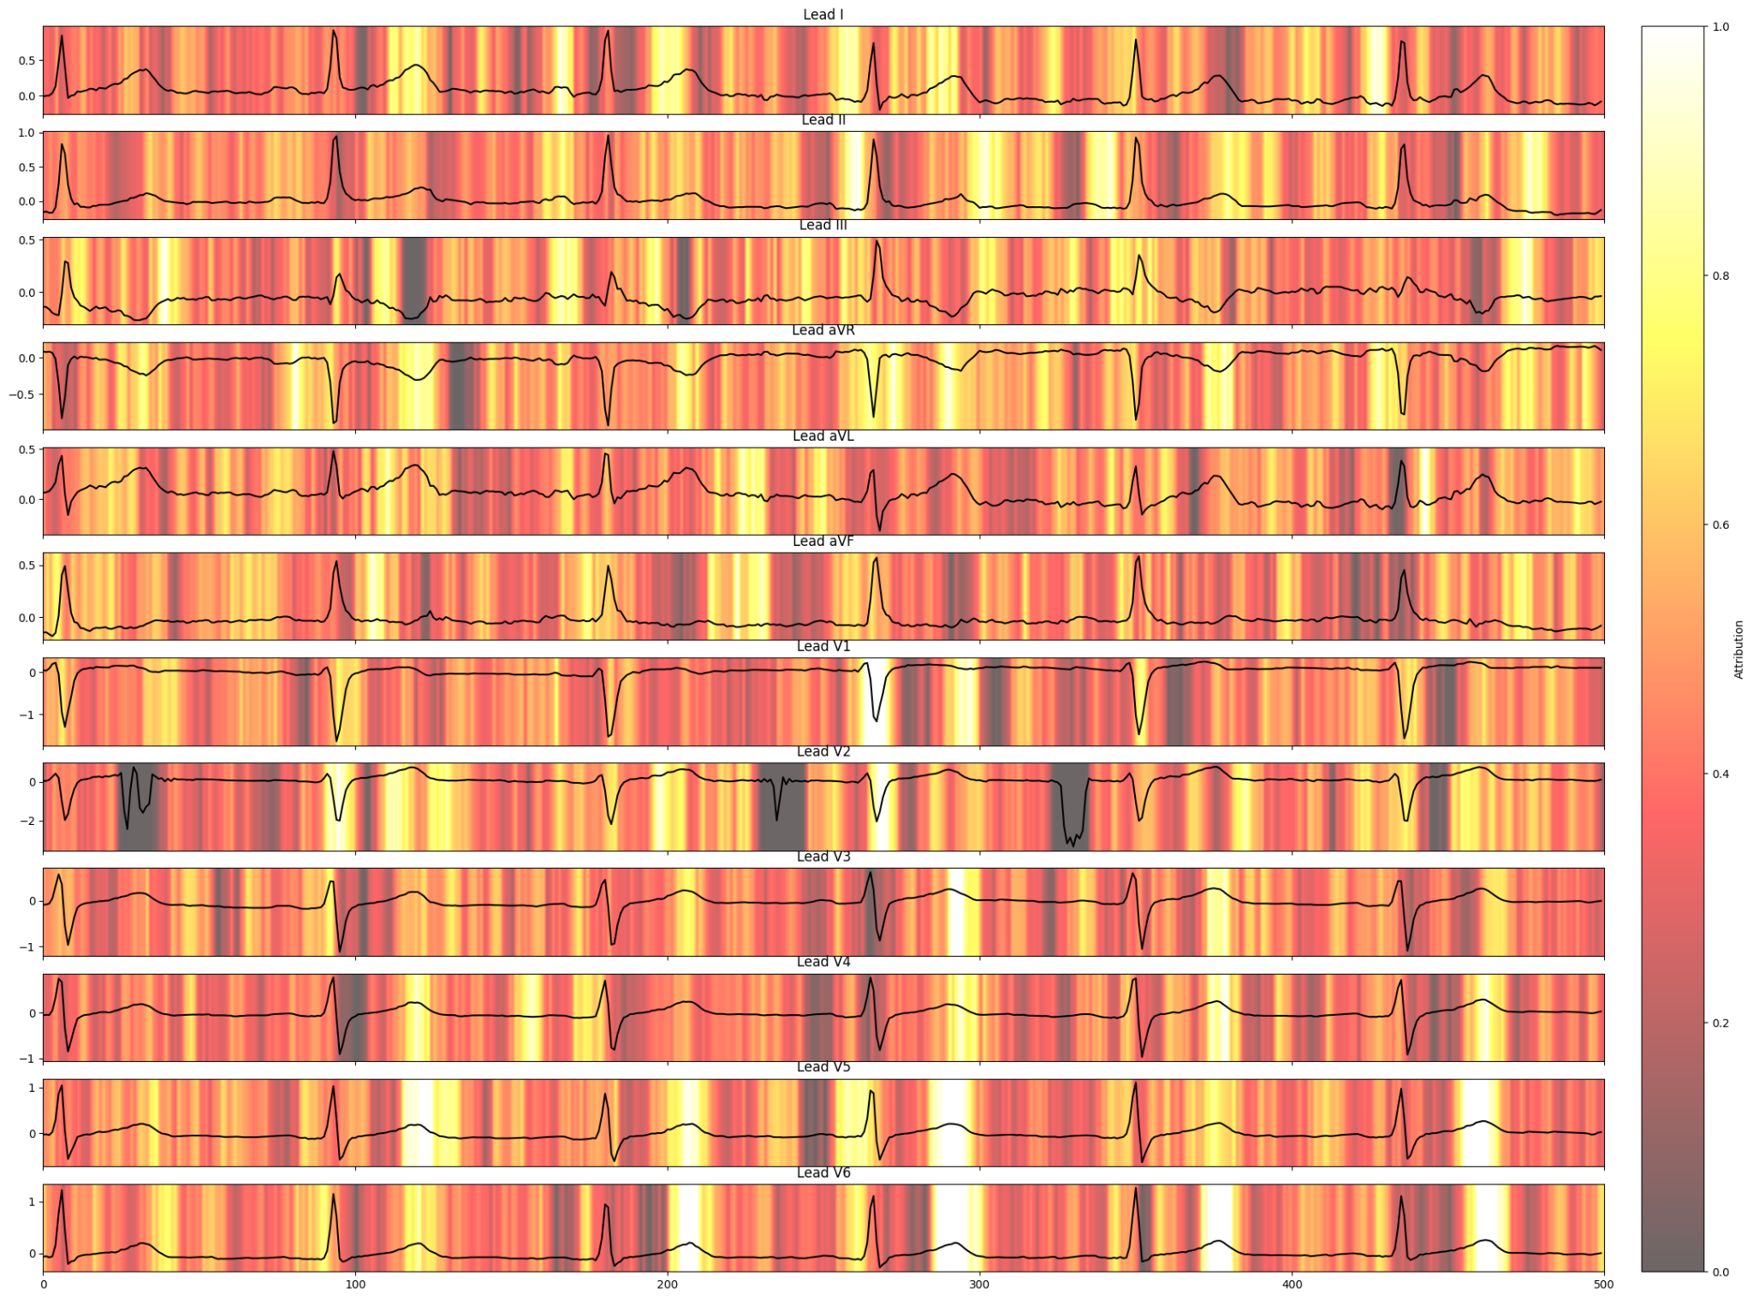
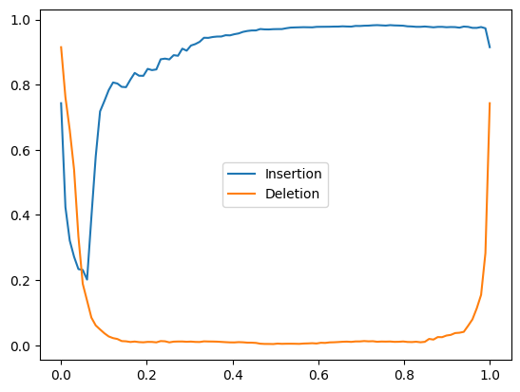

 |  |  |  |  |  |  |  |  |  |  |  |  | Final Loss
 |  |  |  |  |  |  |  |  |  |  |  |  | Train | 0.50387777136
 |  |  |  |  |  |  |  |  |  |  |  |  | Validation | 0.68922264489 |  |  |  |  | INS AUC: 0.8887339330682851
 |  |  |  |  |  |  |  |  |  |  |  |  |  |  |  |  |  |  | DEL AUC: 0.05418562478235346
 |  |  |  |  |  |  |  |  |  |  |  |  | Best Val Loss
 |  |  |  |  |  |  |  |  |  |  |  |  | Epoch | 37
 | Test |  |  |  |  |  | Val |  |  |  |  |  | Train | 0.51727483812
 | F1 | Acc | Prec | Recall | AUROC |  | F1 | Acc | Prec | Recall | AUROC |  | Validation | 0.64253321621
 | 0.5174 | 0.6854 | 0.7687 | 0.502 | 0.8857 |  | 0.505 | 0.674 | 0.6191 | 0.4937 | 0.8905
 | 0.649 | 0.502 | 0.7163 | 0.6854 |  |  | 0.6347 | 0.4937 | 0.6635 | 0.674
 | Per Class Precision |  |  |  |  |  | Per Class Precision
 | 0.67007299 | 1 | 0.75381679 | 0.78987342 | 0.62996942 |  | 0.67047128 | 0.33333333 | 0.74381625 | 0.8 | 0.54781199

 | Per Class Recall |  |  |  |  |  | Per Class Recall
 | 0.98497854 | 0.01327434 | 0.48053528 | 0.44444444 | 0.58689459 |  | 0.98114224 | 0.00359712 | 0.52493766 | 0.45882353 | 0.5
 | Per Class F1 |  |  |  |  |  | Per Class F1
 | 0.7975673306 | 0.0262008806 | 0.5869242189 | 0.5688240626 | 0.6076696187 |  | 0.7965879251 | 0.007117433215 | 0.6154970774 | 0.5831775706 | 0.5228151569
 | CNN | Clean

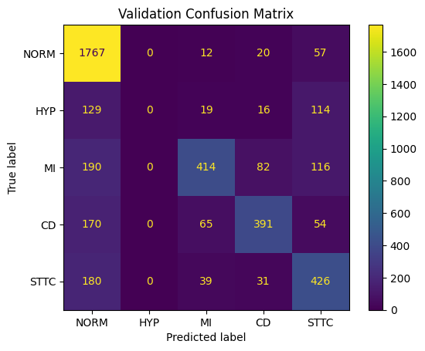
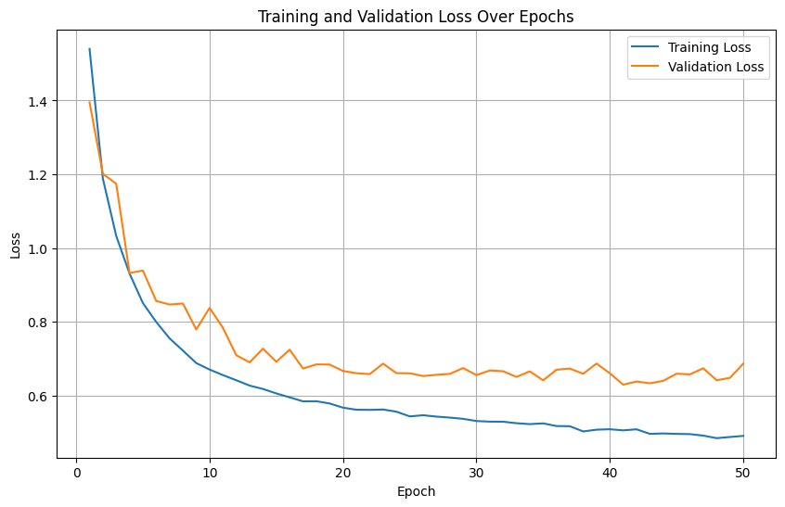

 |  |  |  |  |  |  |  |  |  |  |  |  | Final Loss
 |  |  |  |  |  |  |  |  |  |  |  |  | Train | 0.49081198035
 |  |  |  |  |  |  |  |  |  |  |  |  | Validation | 0.68659227792

 |  |  |  |  |  |  |  |  |  |  |  |  | Best Val Loss
 |  |  |  |  |  |  |  |  |  |  |  |  | Epoch | 40
 | Test |  |  |  |  |  | Val |  |  |  |  |  | Train | 0.50581327659
 | F1 | Acc | Prec | Recall | AUROC |  | F1 | Acc | Prec | Recall | AUROC |  | Validation | 0.62966475693
 | 0.5395 | 0.7101 | 0.5673 | 0.5372 | 0.8679 |  | 0.5335 | 0.6985 | 0.5518 | 0.5347 | 0.8799
 | 0.6781 | 0.5372 | 0.6774 | 0.7101 |  |  | 0.6651 | 0.5347 | 0.6568 | 0.6985
 | Per Class Precision |  |  |  |  |  | Per Class Precision
 | 0.72430472 | 0.6364 | 0.7588785 | 0.73818898 | 0.61489899 |  | 0.72536946 | 0 | 0.75409836 | 0.72407407 | 0.55541069

 | Per Class Recall |  |  |  |  |  | Per Class Recall
 | 0.96405579 | 0.030973 | 0.49391727 | 0.53418803 | 0.69373219 |  | 0.95204741 | 0 | 0.51620948 | 0.575 | 0.63017751
 | Per Class F1 |  |  |  |  |  | Per Class F1
 | 0.8272 | 0.0591 | 0.5984 | 0.6198 | 0.6519 |  | 0.8233923577 | 0 | 0.612879351 | 0.640983605 | 0.5904365878

 |  |  |  |  |  |  |  |  |  |  |  |  |  |  |  |  |  |  |  |  | Ablation
Clean Data | Weighted |  |  | Balanced |  |  |  | Clean Table | Per Class F1 |  |  |  |  |  | Dataset INFO |  |  |  |  |  |  | Weighted |  |  | Balanced
 | F1 | Recall | Precision | Accuracy | AUROC |  |  |  | NORM | HYP | MI | CD | STTC |  | Initial |  |  |  | Processed |  |  | F1 | Recall | Precision | Accuracy | AUROC
CCT | 0.7047 | 0.7203 | 0.7176 | 0.5922 | 0.9062 |  |  | CCT | 0.8266 | 0.3989 | 0.6440 | 0.6263 | 0.6292 |  |  | Counts | Remove | Multiply | Counts |  | CCT | 0.7047 | 0.7203 | 0.7176 | 0.5922 | 0.9062
CNN+BiLSTM | 0.6630 | 0.6993 | 0.7035 | 0.5296 | 0.8778 |  |  | CNN+BiLSTM | 0.8239 | 0.0813 | 0.6245 | 0.5020 | 0.6494 |  | Train | 17418 | -334 | 2 | 34168 |  | Transformer | 0.669 | 0.6863 | 0.6819 | 0.5579 | 0.8732
CNN | 0.6781 | 0.7101 | 0.6774 | 0.5372 | 0.8679 |  |  | CNN | 0.8272 | 0.0591 | 0.5984 | 0.6198 | 0.6519 |  | Valid | 2183 | -37 | 2 | 4292
AVG | 0.6819 | 0.7099 | 0.6995 | 0.5530 | 0.8840 |  |  | AVG | 0.8259 | 0.1798 | 0.6223 | 0.5827 | 0.6435 |  | Test | 2198 | -40 | 2 | 4316 |  | Ablation
 |  |  |  |  |  |  |  |  |  |  |  |  |  |  | Total | 21799 | -411 | 2 | 42776 |  |  | Macro |  |  | Normal
 |  |  |  |  |  |  |  |  |  |  |  |  |  |  |  |  |  | Tr Va Te |  |  |  | F1 | Recall | Precision | Accuracy
Clean | Macro |  |  | Normal |  |  |  | Unclean Table | NORM | HYP | MI | CD | STTC |  |  |  | Removed: | 334 37 40 |  |  | CCT | 0.625 | 0.6897 | 0.7203 | 0.7051
 | F1 | Recall | Precision | Accuracy |  |  |  | CCT | 0.8147 | 0.3410 | 0.6195 | 0.6031 | 0.6081 |  |  |  |  |  |  |  | Transformer | 0.5844 | 0.5579 | 0.6552 | 0.6863
CCT | 0.6250 | 0.5922 | 0.6897 | 0.7203 |  |  |  | CNN+BiLSTM | 0.8331 | 0.1585 | 0.6683 | 0.5976 | 0.6533 |  |  | NORM | HYP | MI | CD | STTC
CNN+BiLSTM | 0.5362 | 0.5296 | 0.6700 | 0.6993 |  |  |  | CNN | 0.7976 | 0.0262 | 0.5869 | 0.5688 | 0.6077 |  | Weighting: | 0.4323 | 0.0606 | 0.1976 | 0.1540 | 0.1555
CNN | 0.5395 | 0.5372 | 0.5673 | 0.7101 |  |  |  | AVG | 0.8151 | 0.1752 | 0.6249 | 0.5899 | 0.6230
AVG | 0.5669 | 0.5530 | 0.6423 | 0.7099

Unclean | Weighted |  |  | Balanced |  |  | Class | NORM | HYP | MI | CD | STTC
 | F1 | Recall | Precision | Accuracy | AUROC |  | Weighting: | 0.4323 | 0.0606 | 0.1976 | 0.1540 | 0.1555
CCT | 0.6847 | 0.7051 | 0.7051 | 0.5620 | 0.9023
CNN+BiLSTM | 0.6988 | 0.7208 | 0.7192 | 0.5674 | 0.8964 |  | Model | Clean Weighted F1 | Unclean Weighted F1 | Drop
CNN | 0.6490 | 0.6854 | 0.7163 | 0.5020 | 0.8857 |  | CCT | 0.7047 | 0.6847 | -2.84%
AVG | 0.6775 | 0.7038 | 0.7135 | 0.5438 | 0.8948 |  | CNN+BiLSTM | 0.663 | 0.6988 | 5.40%
 |  |  |  |  |  |  | CNN | 0.6781 | 0.6490 | -4.29%

Unclean | Macro
 | F1 | Recall | Precision | Accuracy
CCT | 0.5973 | 0.5620 | 0.6771 | 0.7051
CNN+BiLSTM | 0.5822 | 0.5674 | 0.6853 | 0.7208
CNN | 0.5174 | 0.5020 | 0.7687 | 0.6854
AVG | 0.5656 | 0.5438 | 0.7104 | 0.7038

INS
Model | NORM mean | NORM std | HYP mean | HYP std | MI mean | MI std | CD mean | CD std | STTC mean | STTC std
CCT | 0.8825 | 0.1382 | 0.7701 | 0.2456 | 0.8689 | 0.2501 | 0.8196 | 0.2445 | 0.8237 | 0.2396
CNN+BiLSTM | 0.8878 | 0.0467 | 0.8672 | 0.1032 | 0.9292 | 0.0613 | 0.8732 | 0.0913 | 0.8975 | 0.0684
CNN | 0.8518 | 0.0818 | 0.8162 | 0.1035 | 0.841 | 0.1359 | 0.8118 | 0.1148 | 0.8148 | 0.1024

DEL
Model | NORM mean | NORM std | HYP mean | HYP std | MI mean | MI std | CD mean | CD std | STTC mean | STTC std
CCT | 0.0582 | 0.0724 | 0.0543 | 0.1179 | 0.1525 | 0.2147 | 0.0999 | 0.1911 | 0.102 | 0.1771
CNN+BiLSTM | 0.0527 | 0.0603 | 0.0706 | 0.0904 | 0.1213 | 0.1727 | 0.0615 | 0.0708 | 0.1249 | 0.1304
CNN | 0.0989 | 0.0759 | 0.1026 | 0.0764 | 0.117 | 0.0927 | 0.0728 | 0.0691 | 0.1644 | 0.1017

Summary
Model | Ins mean | Ins std | Del mean | Del std | Gap (ins−del)
CCT | 0.8968 | 0.0982 | 0.0682 | 0.1000 | 0.8286
CNN+BiLSTM | 0.8888 | 0.0903 | 0.0883 | 0.1216 | 0.8005
CNN | 0.8271 | 0.1103 | 0.1112 | 0.0893 | 0.7160
x10-5 |  |  |  |  |  |  | x10-5
Lead | CCT NORM | CCT HYP | CCT MI | CCT CD | CCT STTC | Global
I | 2.30 ± 3.60 | 1.10 ± 3.10 | 1.70 ± 2.60 | 1.30 ± 3.40 | 1.70 ± 2.80 | 1.60 ± 3.10
II | 2.90 ± 4.10 | 0.70 ± 2.30 | 1.80 ± 3.60 | 1.50 ± 4.30 | 1.60 ± 2.60 | 1.70 ± 3.60
III | 0.00 ± 5.00 | -0.10 ± 3.50 | 3.30 ± 7.10 | 0.80 ± 4.50 | 0.40 ± 5.20 | 0.90 ± 5.40
aVR | 2.80 ± 4.20 | 0.70 ± 2.20 | 1.50 ± 2.50 | 1.20 ± 2.80 | 1.90 ± 3.00 | 1.70 ± 3.10
aVL | 1.00 ± 2.30 | 0.70 ± 2.60 | 1.80 ± 2.10 | 1.10 ± 2.80 | 1.50 ± 1.90 | 1.30 ± 2.40
aVF | 1.10 ± 2.50 | 0.10 ± 2.40 | 2.00 ± 3.20 | 2.50 ± 8.10 | 1.30 ± 2.50 | 1.40 ± 4.50
V1 | 1.20 ± 3.20 | 1.60 ± 4.10 | 2.00 ± 3.50 | 2.70 ± 8.40 | 1.50 ± 3.20 | 1.80 ± 5.00
V2 | 2.30 ± 6.10 | 1.40 ± 5.20 | 2.10 ± 7.60 | 1.80 ± 7.10 | 2.70 ± 6.50 | 2.10 ± 6.60
V3 | 1.00 ± 3.10 | 0.90 ± 3.10 | 2.10 ± 5.00 | 1.50 ± 4.70 | 2.30 ± 4.50 | 1.60 ± 4.20
V4 | 2.60 ± 7.40 | 0.50 ± 2.90 | 2.10 ± 3.70 | 1.50 ± 4.30 | 1.60 ± 3.90 | 1.70 ± 4.80
V5 | 1.80 ± 3.80 | 2.80 ± 7.70 | 1.60 ± 3.30 | 1.40 ± 3.60 | 1.60 ± 3.50 | 1.80 ± 4.50
V6 | 3.60 ± 5.50 | 1.90 ± 4.30 | 1.00 ± 3.80 | 2.10 ± 4.50 | 2.30 ± 4.40 | 2.20 ± 4.60
x10-5

CNN+BiLSTM
Lead | NORM | HYP | MI | CD | STTC | Global
I | 1.40 ± 3.30 | 0.60 ± 2.90 | 1.90 ± 1.70 | 0.60 ± 3.10 | 1.30 ± 2.60 | 1.30 ± 2.80
II | 2.20 ± 4.10 | 0.30 ± 2.10 | 1.70 ± 2.20 | 1.60 ± 3.70 | 1.90 ± 3.30 | 1.80 ± 3.40
III | -0.30 ± 3.30 | 0.10 ± 2.20 | 2.60 ± 2.60 | 1.00 ± 3.90 | 0.50 ± 2.90 | 0.90 ± 3.30
aVR | 2.20 ± 4.10 | 0.40 ± 2.00 | 1.60 ± 2.10 | 1.00 ± 2.80 | 1.90 ± 3.40 | 1.60 ± 3.20
aVL | -0.10 ± 3.00 | 0.20 ± 2.50 | 2.50 ± 2.00 | 0.50 ± 2.50 | 0.40 ± 2.60 | 0.80 ± 2.70
aVF | 0.80 ± 2.70 | 0.10 ± 1.80 | 2.10 ± 2.00 | 1.40 ± 3.80 | 1.30 ± 2.50 | 1.30 ± 2.80
V1 | 2.00 ± 5.20 | 1.20 ± 3.60 | 2.70 ± 3.30 | 2.40 ± 7.10 | 1.10 ± 3.30 | 2.00 ± 5.00
V2 | 2.80 ± 5.30 | 0.90 ± 3.50 | 2.10 ± 3.60 | 2.10 ± 6.00 | 3.00 ± 5.90 | 2.40 ± 5.20
V3 | 1.30 ± 4.50 | 0.20 ± 2.30 | 1.90 ± 3.10 | 1.90 ± 5.50 | 1.90 ± 4.10 | 1.70 ± 4.30
V4 | 1.70 ± 5.00 | 0.80 ± 3.00 | 2.30 ± 3.30 | 0.70 ± 3.30 | 1.30 ± 2.90 | 1.40 ± 3.70
V5 | 2.20 ± 5.20 | 2.70 ± 7.60 | 1.80 ± 2.60 | 1.10 ± 4.00 | 1.50 ± 3.50 | 1.70 ± 4.20
V6 | 2.80 ± 5.50 | 1.70 ± 4.80 | 1.70 ± 2.60 | 1.40 ± 3.40 | 2.10 ± 4.30 | 2.00 ± 4.20

